Background
POSEIDON PRINCIPLES FOR MARINE INSURANCE
Affliate members: context for disclosure
The Poseidon Principles for Marine Insurance Annual Disclosure Report is a tool for Affiliate members to inform stakeholders about their efforts to support the initiative POSEIDON PRINCIPLES FOR MARINE INSURANCE and its Signatories. As a public document, uploaded to the Poseidon Principles for Marine Insurance website, it´s an important demonstration of Signatories and Affiliate members’ commitment to support Poseidon Principles for Marine Insurance and promote the implementation of those principles among marine insurance ecosystem. Under the current scope, the Poseidon Principles for Marine Insurance are applicable to insurers with H&M policies and underwriters. However, it is recognized that the ecosystem of key players extends beyond this limit, and the framework must be inclusive of these perspectives and their support. Therefore, Affiliate membership is applicable to insurance brokers and collective groups (such as insurance associations, unions, captives and P&I Clubs), and their support is welcome. Signatories commit to implementing the Poseidon Principles for Marine Insurance in their policies, procedures, and standards and to work in partnership with their clients and partners on an ongoing basis. Affiliate members commit to supporting the Signatories and working together with their partners and clients to improve transparency across their business activities.

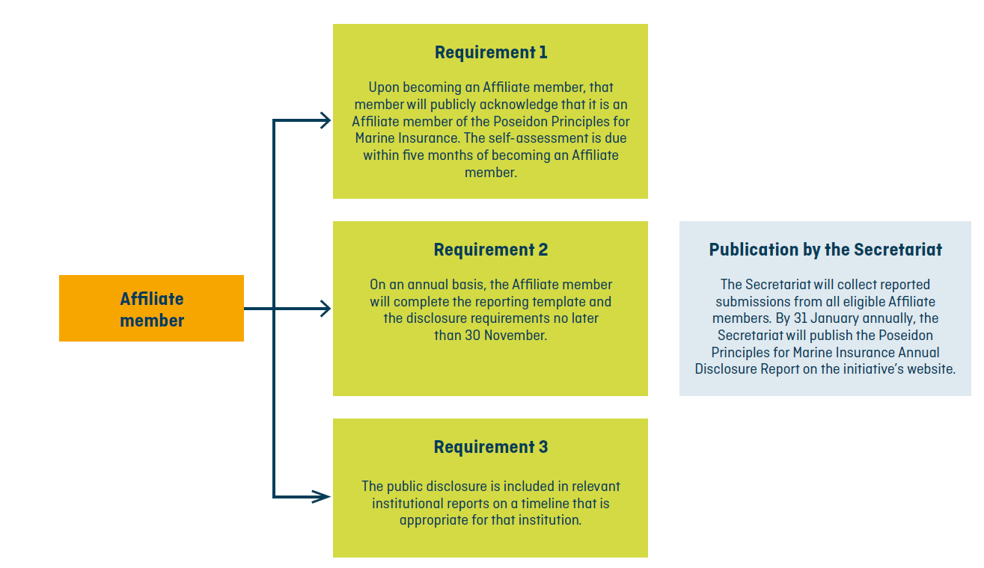
Information flow:

